Report format-Part1
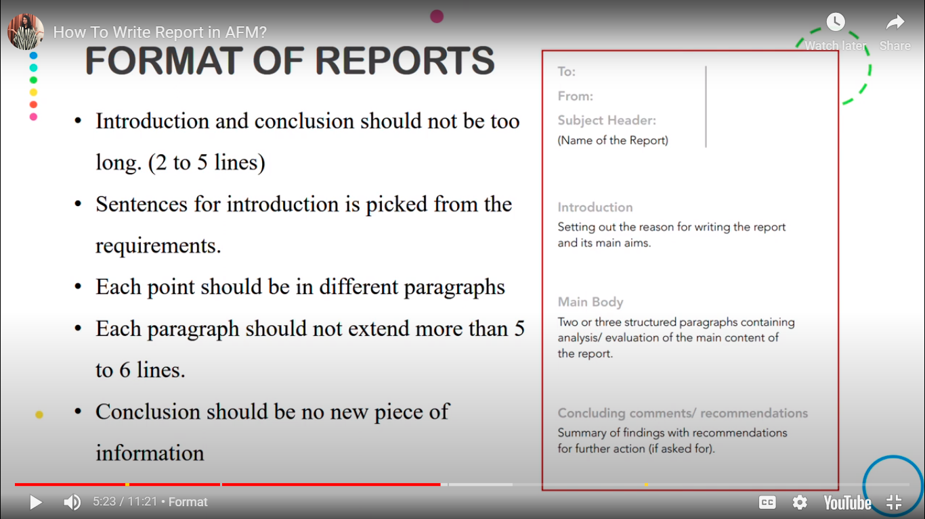
Report fomat

Purpose of report | Cover all sub-parts
What is report trying to conclude
Define=Method+conclsion
Appendix 1
Appendix 2
Appendix 3

Talk about % in qs

Report format-Part2
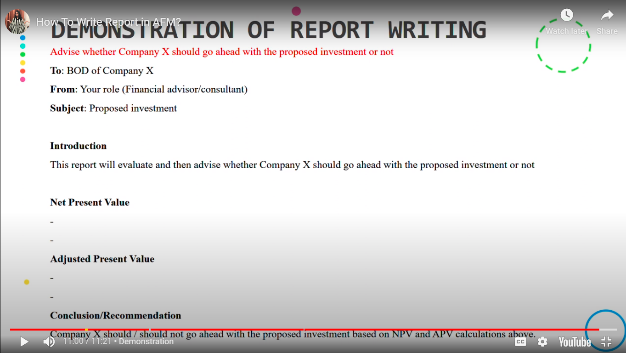

Assumption | sensitivity and scenario analysis
Inf figs are accurate
Any specific guidance is accurate
A number of projections using sensitivity and scenario analysis may aid in the decision making process.
No details are provided on whether or not the project ends after four years
assumption which is made, but the project may last beyond four years and therefore may yield a positive net present value. Additionally, even if the project ceases after four years, no details are given about the sale of the land, buildings and machinery. The residual value of these non‐current assets could have a considerable bearing on the outcome of the project.
Any expectaiton
It is assumed that future exchange rates will reflect the differential in inflation rates between the respective countries. However, it is unlikely that the exchange rates will move fully in line with the inflation rate differentials.
Recommendation The result from the financial projections is that the project should be accepted because it results in a positive net present value. It is recommended that the financial projections should be considered in conjunction with the assumptions, the issues and risks, and the implications of these, before a final decision is made.

It is assumed that all the variables used to calculate the values of the projects in
appendices 1 and 2 are correct and accurate. Furthermore, it is assumed all the
variables such as inflation rates, tax rates, interest rates and volatility figures, remain
as forecast through the period of each project. It is also assumed that the time
periods related to the projects and the offer from Honua is accurate and/or
reasonable.

Report compiled by:
Date

